Question 5
Activity | Normal Completion Time (Weeks) | Crash Completion Time (Weeks) | Crushing Available | Normal Cost (Total) | Crash Cost (Total) | Crush cost | Crash cost per week
A | 6 | 6 | 0 | $100 | $100 | $0 | $0
B | 10 | 4 | 6 | $2,000 | $2,600 | $600 | $100
C | 10 | 8 | 2 | $800 | $920 | $120 | $60
D | 6 | 5 | 1 | $700 | $750 | $50 | $50
E | 8 | 6 | 2 | $1,000 | $1,140 | $140 | $70
F | 9 | 7 | 2 | $1,400 | $1,550 | $150 | $75
G | 14 | 10 | 4 | $3,000 | $3,320 | $320 | $80
H | 10 | 8 | 2 | $900 | $1,020 | $120 | $60
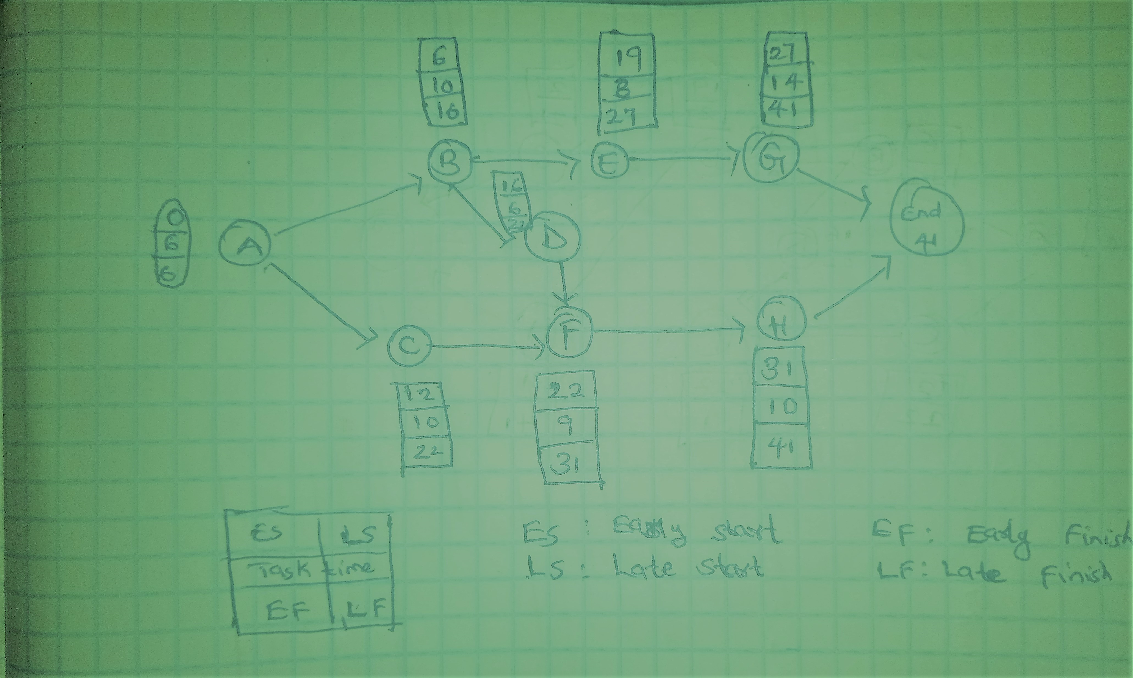

Activity | ES | EF | LS | LF | Slack
A | 0 | 6 | 0 | 6 | 0
B | 6 | 16 | 6 | 16 | 0
C | 6 | 16 | 12 | 22 | 6
D | 16 | 22 | 16 | 22 | 0
E | 16 | 24 | 19 | 27 | 3
F | 22 | 31 | 22 | 31 | 0
G | 24 | 38 | 27 | 41 | 3
H | 31 | 41 | 31 | 41 | 0

c
Critical path | A-B-D-F-H

d
Supposing we want to reduce the project time by 2 weeks
Activity crashed | By weeks | Crash cost
D | 1 | $50
H | 1 | $60
 |  | $110
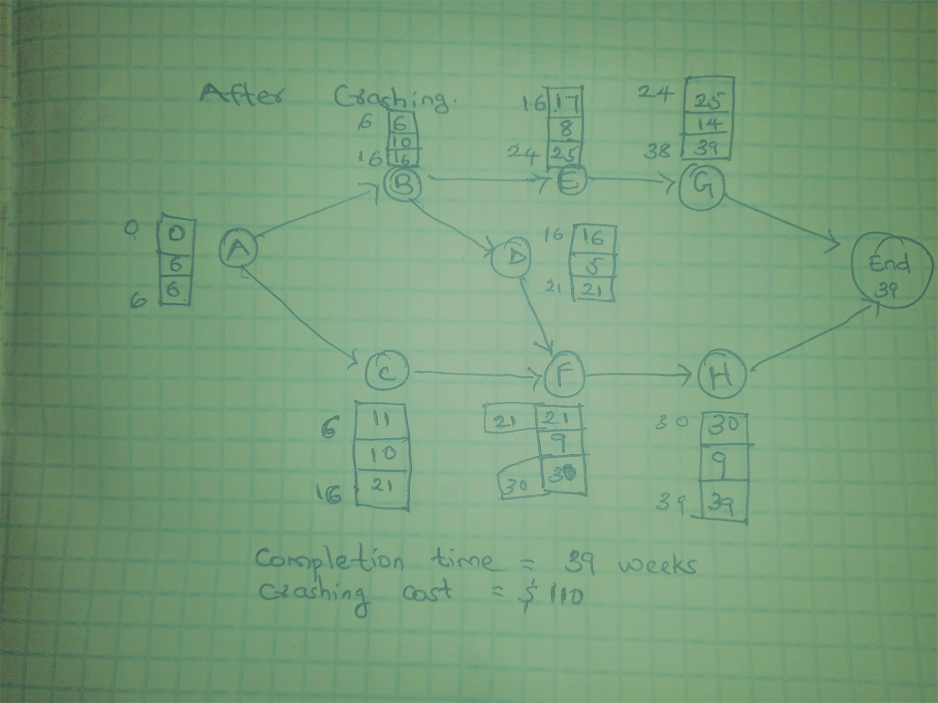

Question 10
Activity | Predecessors | Optimistic Time (a) | Most Likely Time (m) | Pessimistic Time (b)
A | -- | 2 | 4 | 6
B | -- | 1 | 2 | 9
C | A | 2 | 4 | 6
D | B | 5 | 8 | 17
E | C | 3 | 4 | 11

Activity | Expected time | Variance
A | 4 | 0.44
B | 3 | 1.78
C | 4 | 0.44
D | 9 | 4.00
E | 5 | 1.78
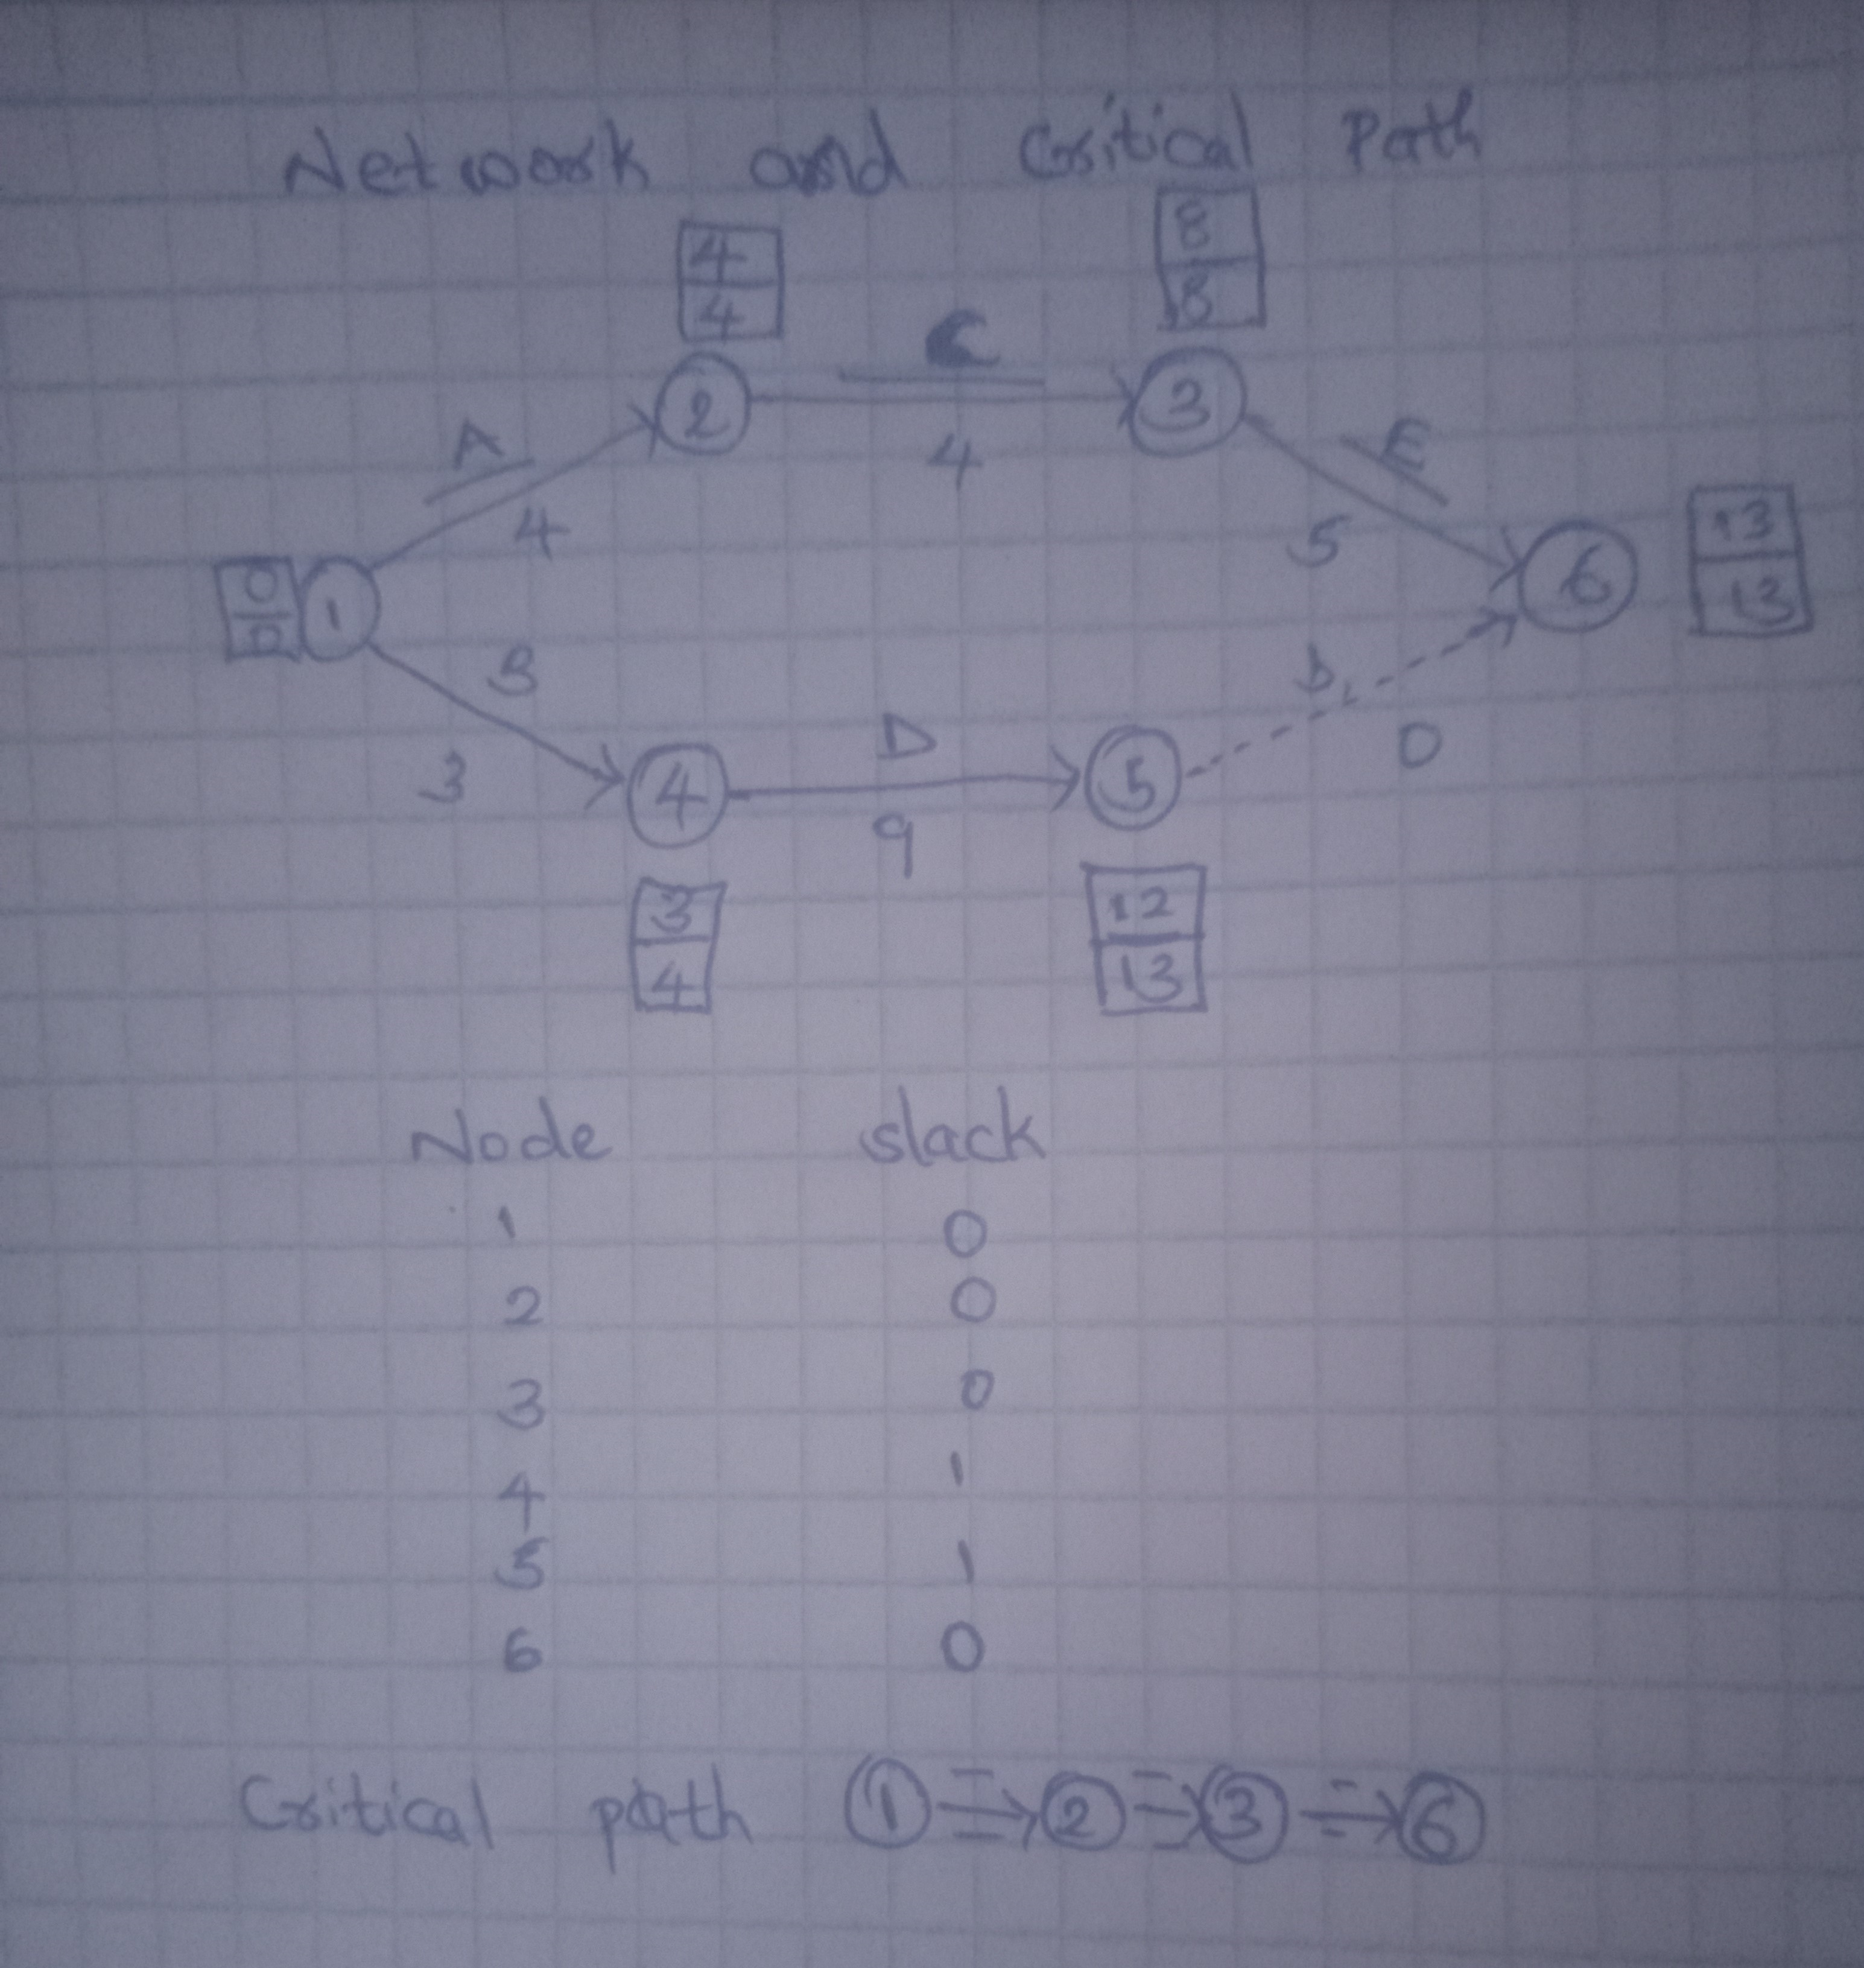
a

b
The expected duration | 13 weeks

standard deviation | 1.59

c
probability of completing in 13 weeks or less
z | 0.00
From the Z-table | 0.5
probability = 0.5

d
probability of completing in 16 weeks
z | 1.89
From the Z-table | 0.97062
probability = 0.97062

