Volume of a cone
VOLUME OF A CONE

 | Insert value here

Radius(r) | 9 | Volume ---> | 848.23cm³
Height(h) | 10
Units | cm

This excel sheet is for working out the volume of a cone. By inserting the values for the radius and height of the cone, the volume will be calculated in the box highlighted in yellow.

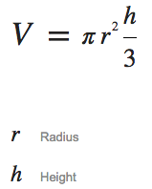
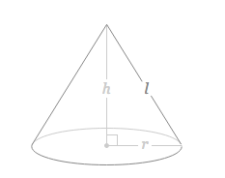

Volume of sphere
VOLUME OF A SPHERE

 | Insert value here

Radius(r) | 7 | Volume ---> | 1436.76cm³
Units | cm

This excel sheet is for working out the volume of a sphere. By inserting the value of the radius, the volume will be calculated in the box highlighted in yellow.

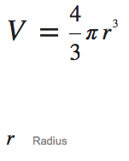
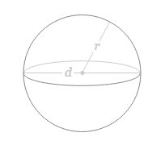

Volume of cuboid
VOLUME OF A CUBOID

 | Insert value here

Length(l) | 7 | Volume ---> | 105cm³
Width(w) | 5
Height(h) | 3
Units | cm

This excel sheet is for working out the volume of a cuboid. By inserting the value of the length, width and height, the volume will be calculated in the box highlighted in yellow.

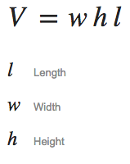

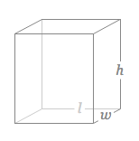

TSA of a closed cylinder
TOTAL SURFACE AREA OF A CLOSED CYLINDER

 | Insert value here

Radius | 5 | Total Surface Area ---> | 471.24cm²
Height | 10
Units | cm

This excel sheet is for working out the Total Surface Area (TSA) of a closed cylinder. By inserting the value of the radius and height, the TSA will be calculated in the box highlighted in yellow.

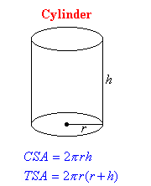

TSA of a cube
TOTAL SURFACE AREA OF A CUBE

 | Insert value here

Length | 8 | Total Surface Area ---> | 384cm²
Units | cm

This excel sheet is for working out the Total Surface Area (TSA) of a cube. By inserting the value for the length, the TSA will be calculated in the box highlighted in yellow.

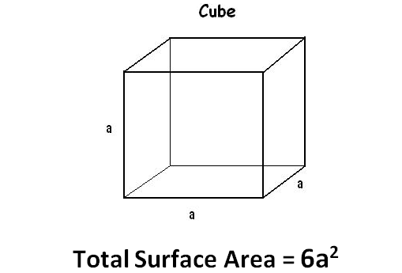

TSA of a cuboid
TOTAL SURFACE AREA OF A CUBOID

 | Insert value here

Length | 10 | Total surface area ---> | 220cm²
Width | 4
Height | 5
Units | cm

This excel sheet is for working out the Total Surface Area (TSA) of a cuboid. By inserting the value of the length, width and height, the TSA will be calculated in the box highlighted in yellow.

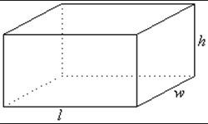

Area & Perimeter of a Square
AREA & PERIMETER OF A SQUARE

 | Insert value here

Side Length | 7 | Area -----------> | 49cm²
 |  | Perimeter ----> | 28cm

Unit for Area | cm
Unit for perimeter | cm

This excel sheet is for working out the Area and Perimeter of a square. By inserting the value of the side length, the Area and Perimeter will be calculated in the box's highlighted in yellow.

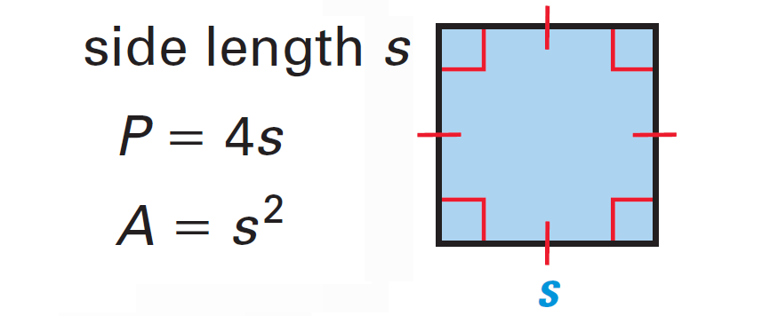

Area & Perimeter of a Rectangle
AREA & PERIMETER OF A RECTANGLE

 | Insert value here

Length | 12 | Area -------------> | 72cm²
Width | 6 | Perimeter ------> | 36cm

Unit for Area | cm
Unit for perimeter | cm

This excel sheet is for working out the Area and Perimeter of a rectangle. By inserting the value of the length and width, the Area and Perimeter will be calculated in the box's highlighted in yellow.

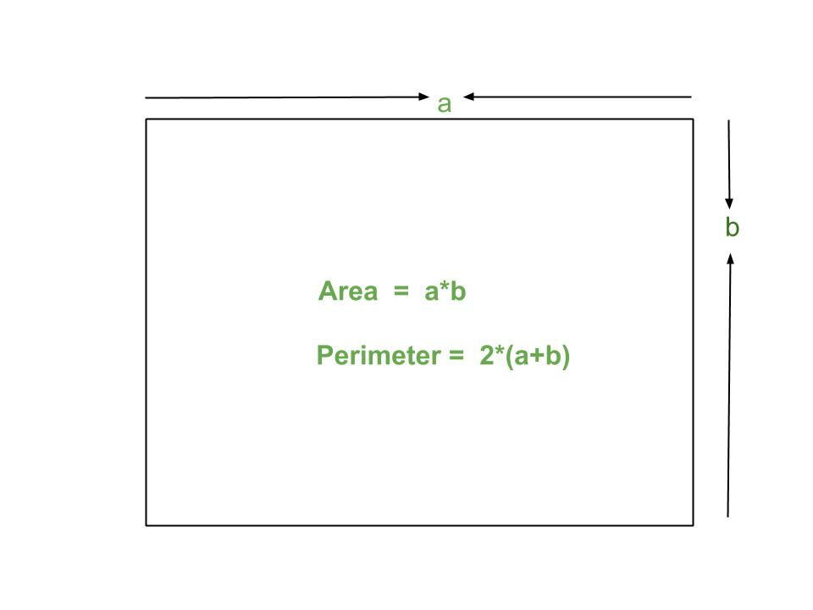

Area & Perimeter of a Circle
Area & Perimeter of a Circle

 | Insert value here

Radius(r) | 15 | Area | 706.86cm²
 |  | Perimeter | 94.24cm
Unit of area | cm
Unit of perimeter | cm

This excel sheet is for working out the Area and Perimeter of a circle. By inserting the value for the radius, the Area and Perimeter will be calculated in the box's highlighted in yellow.

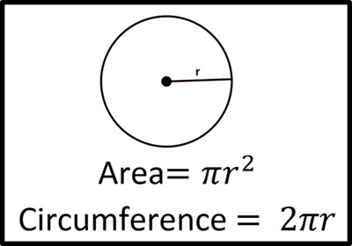

Area & Perimeter of a Triangle
Area of a Triangle

 | Insert value here

Height | 5.4 | Area | 23.49cm²
Base | 8.7
This excel sheet is for working out the Area and Perimeter of a triangle. By inserting the value for the height and base, the Area will be calculated in the box highlighted in yellow above.
Futheremore, by inserting the side length's A,B & C, the perimeter will be calculated in the box highlighted in yellow below.
Unit for Area | cm

Perimeter of a Triangle

 | Insert value here
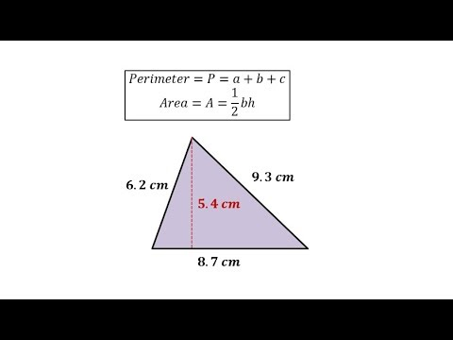
Side A | 6.2 | Perimeter | 24.2cm
Side B | 9.3
Side C | 8.7

Unit for perimeter | cm

