Volume of a Cone
VOLUME OF A CONE
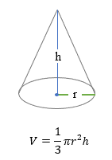
 |  | Insert
 | Radius ( r ) | 9
 | Height ( h ) | 10
 | Units | cm

 | Volume ( V ) | 848.23cm³
The formula returns the volume of a cone with the radius given in C7 and the height given in C8. Units are indicated generically with "cm", and the resulting volume is units cubed (cm³).

Volume of Sphere
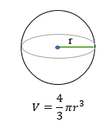
VOLUME OF A SPHERE

 |  | Insert
 | Radius ( r ) | 7
 | Units | cm

 | Volume ( V) | 1436.76cm³

Which calculates the volume of a sphere with the radius given in C6. Units are indicated generically with "cm", and the result is units cubed (cm³).

Volume of cuboid
VOLUME OF A CUBOID
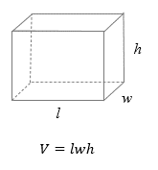

 |  | Insert
 | Length ( l ) | 7
 | Width ( w ) | 5
 | Height ( h ) | 3
 | Units | cm

 | Volume ( V ) | 105cm³

Which calculates the volume of a rectangular prism, given the length in column B (l), the width in column C (w) and the height in column D (h). Units are indicated generically with "cm", and the resulting volume is in units cubed (cm³).

TSA of a closed cylinder
TOTAL SURFACE AREA OF A CLOSED CYLINDER
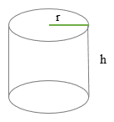
 |  | Insert
 | Radius ( r ) | 5
 | Height ( h ) | 10
 | Units | cm

 | Total Surface Area ( TSA ) | 471.24cm³
 |  |  | TSA =2πr(r+h)

Which returns the Total surface are of a closed cylinder with the radius given in C4 and the height given in C5. Units are indicated generically with "cm", and the resulting volume is units cubed (cm³).

TSA of a cube
TOTAL SURFACE AREA OF A CUBE
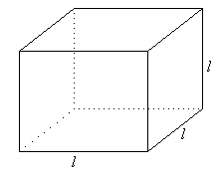
 |  | Insert
 | Length ( l ) | 8
 | Units | cm | TSA = 6l2

 | Total Surface Area (TSA) | 384cm²

Which returns the Total surface area of a cube with the length given in C4. Units are indicated generically with "cm", and the resulting volume is units cubed (cm²).

TSA of a cuboid
TOTAL SURFACE AREA OF A CUBOID
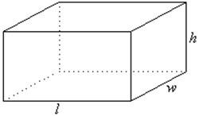
 |  | Insert
 | Length ( l ) | 10
 | Width (w) | 4
 | Height (h ) | 5 | TSA = 2 (lw+wh+hl)
 | Units | cm

 | Total surface area (TSA) | 220cm²

Which returns the Total surface area of a cuboid with the length given in C4. Units are indicated generically with "cm", and the resulting volume is units cubed (cm²).

Area & Perimeter of a Square
AREA & PERIMETER OF A SQUARE

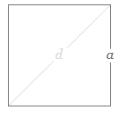
 |  | Insert
 | Side Length | 7

 | Unit for Area | cm
 | Unit for perimeter | cm | Area of a square =a2
 |  |  | Area of a perimeter =4a
 | Area | 49cm²
 | Perimeter | 28cm

This excel sheet is for working out the Area and Perimeter of a square. By inserting the value of the side length, the Area and Perimeter will be calculated in the box's highlighted in yellow.

Area & Perimeter of a Rectangle
AREA & PERIMETER OF A RECTANGLE
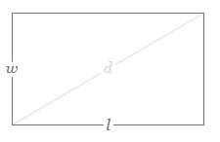

 |  | Insert
 | Length ( l ) | 12
 | Width (w ) | 6

 | Unit for Area | cm
 | Unit for perimeter | cm

 | Area | 72cm² | A = wl
 | Perimeter | 36cm | P =2(l+w)

This excel sheet is for working out the Area and Perimeter of a rectangle. By inserting the value of the length and width, the Area and Perimeter will be calculated in the box's highlighted in yellow.

Area & Perimeter of a Circle
Area & Perimeter of a Circle
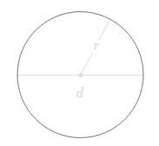
 |  | Insert
 | Radius(r) | 15

 | Unit of area | cm
 | Unit of perimeter | cm

 | Area | 706.86cm² | A =πr2
 | Perimeter | 94.24cm | C =2πr

This excel sheet is for working out the Area and Perimeter of a circle. By inserting the value for the radius, the Area and Perimeter will be calculated in the box's highlighted in yellow.

Area & Perimeter of a Triangle
Area and Perimeter of a Triangle
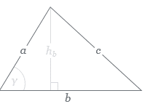
 |  | Insert
 | Height | 5.4
 | Base (b) | 8.7
 | Unit | cm

 | a | 6.2
 | b | 8.7 | A = hb/ 2
 | c | 8.7 | P = a+b+c

 | Area | 23.49cm³
 | Perimeter | 23.6cm
This excel sheet is for working out the Area and Perimeter of a triangle. By inserting the value for the height and base, the Area will be calculated in the box highlighted in yellow above.
Futheremore, by inserting the side length's a,b & c, the perimeter will be calculated in the box highlighted in yellow below.

